Sheet1
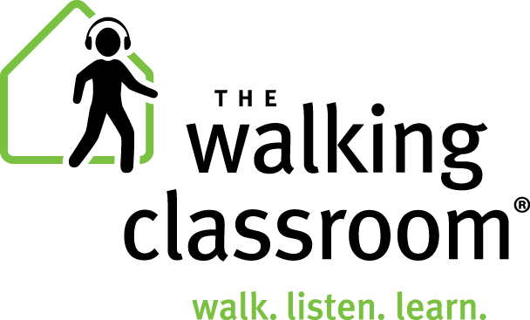 |  | Web-Based App Bulk Pricing & Optional Support Contract 3-Month, 6-Month, 9-Month, and 12-Month Options
 |  | Use our price calculator at the bottom of this screen to calculate app costs for your students at varying subscription lengths.
 |  | 3-Month App Subscription |  |  |  | Optional Support Contract
 |  | # of App User Licenses | Price/Month/ User | App Price/User over 3 mons |  | Optional Support Contract/month | Optional Support Contract Price for 3 months
 |  | up to 99 | $3.99 | $11.97 |  | $50 | $150
 |  | 100 to 249 | $3.49 | $10.47 |  | $100 | $300
 |  | 250 to 499 | $2.99 | $8.97 |  | $250 | $750
 |  | over 500 | $2.49 | $7.47 |  | $500 | $1,500

 | Monthly App price reduced by $.20/Month /User License | 6-Month App Subscription |  |  |  | Optional Support Contract |  | Optional Support Contract price reduced by 7%
 |  | # of App User Licenses | Price/Month/ User | App Price/User over 6 mons |  | Optional Support Contract/month | Optional Support Contract Price for 6 months
 |  | up to 99 | $3.79 | $22.74 |  | $47 | $279
 |  | 100 to 249 | $3.29 | $19.74 |  | $93 | $558
 |  | 250 to 499 | $2.79 | $16.74 |  | $233 | $1,395
 |  | over 500 | $2.29 | $13.74 |  | $465 | $2,790

 | Monthly App price reduced by $.30/Month /User License | 9-Month App Subscription |  |  |  | Optional Support Contract |  | Optional Support Contract price reduced by 10%
 |  | # of App User Licenses | Price/Month/ User | App Price/User over 9 mons |  | Optional Support Contract/month | Optional Support Contract Price for 9 months
 |  | up to 99 | $3.69 | $33.21 |  | $42 | $377
 |  | 100 to 249 | $3.19 | $28.71 |  | $84 | $753
 |  | 250 to 499 | $2.69 | $24.21 |  | $209 | $1,883
 |  | over 500 | $2.19 | $19.71 |  | $419 | $3,767

 | Monthly App price reduced by $.40/Month /User License | 12-Month App Subscription |  |  |  | Optional Support Contract |  | Optional Support Contract price reduced by 15%
 |  | # of App User Licenses | Price/Month/ User | App Price/User over 12 mons |  | Optional Support Contract/month | Optional Support Contract Price for 12 months
 |  | up to 99 | $3.59 | $43.08 |  | $39 | $467
 |  | 100 to 249 | $3.09 | $37.08 |  | $78 | $934
 |  | 250 to 499 | $2.59 | $31.08 |  | $195 | $2,335
 |  | over 500 | $2.09 | $25.08 |  | $389 | $4,670

 | To see price, enter number of user licenses here >>> | 125
 | Price Calculator: | Subscription Term (months) | # of User Licenses | Price/Month /User License | Price/User (for duration of contract) | Total Cost of App User Licenses | Optional Support Contract | TOTAL COST including Support Contract
 |  | 3 | 125 | $3.49 | $10.47 | $1,308.75 | $300.00 | $1,608.75 | 3 months
 |  | 6 | 125 | $3.29 | $19.74 | $2,467.50 | $558.00 | $3,025.50 | 6 months
 |  | 9 | 125 | $3.19 | $28.71 | $3,588.75 | $753.30 | $4,342.05 | 9 months
 |  | 12 | 125 | $3.09 | $37.08 | $4,635.00 | $934.09 | $5,569.09 | 12 months

 | Notes about bulk app subscriptions:
 | A subscription provides each paid user license with access to the complete Walking Classroom Podcasts library. (191 podcasts)
 | This is a web-based app that is accessed via a web browser. Do not download from the app stores.
 | Internet access is required when the podcast is initially selected. Aftter a minute or so of buffering, users can walk outdoors and away from Wi-Fi signal.
 | Users will be pre-registered after purchase.
 | Our Privacy Policy can be viewed here: https://www.thewalkingclassroom.org/privacy-policy-app/

